Pipe MAst Table
Pipe Master : PIPE-REPORT
 |  |  |  |  |  | Rev-01
This is the data entry from the user after completing the inspections

PIPE-REPS

Coloumn Desc. | Coloumn Name | Data Type | Nullable | Data Default | Coloumn No | Constarints
Rec No | Rec No | NUMBER(38,0) | No |  | 1 | Primary
Pipe Line Number | Pipe Line Number | VARCHAR2(25 BYTE) | No |  | 2 | Unique Key
Created On | Created On | VARCHAR2(8 BYTE) | No | SYSDATE [YYYYMMDD] | 3 | Created Date
From-To | From-To | VARCHAR2 (100 BYTE) | yes |  | 4 | Master Data
Plant | Plant | VARCHAR2 (25 BYTE) | No |  | 5
Cluster Number | Cluster Number | VARCHAR2(25 BYTE) | No |  | 6
Description | Description | VARCHAR2(100 BYTE) | yes |  | 7
Report No | Report No | VARCHAR2(25 BYTE) | No | AutoSlno/year | 8
Plant Code | Plant Code | VARCHAR2(8 BYTE) | No |  | 9
Work Order No | Work Order No | VARCHAR2(8 BYTE) | yes |  | 10
Overall Status | Overall Status | VARCHAR2(10 BYTE) | No |  | 11
Overall Risk | Overall Risk | NUMBER(4,0) | No |  | 12
Consequence | Consequence | NUMBER(4,0) | No |  | 13
Material | Material | NUMBER(5,0) | No |  | 14
P&ID no | P&ID no | NUMBER(4,0) | No |  | 15
Fluid | Fluid | NUMBER(5,0) | No |  | 16
Revised Status | Revised Status | VARCHAR2(1 BYTE) | No |  | 17
Observation-1 | Observation-1 | VARCHAR2(5 BYTE) | No |  | 18
Observation-2 | Observation-2 | VARCHAR2(8 BYTE) | No |  | 19
Observation-3 | Observation-3 | VARCHAR2(8 BYTE) | No |  | 20
Observation-4 | Observation-4 | VARCHAR2(8 BYTE) | No |  | 21
Observation-5 | Observation-5 | NUMBER(5,3) | No |  | 22
Recommendation-1 | Recommendation-1 | NUMBER(5,3) | No |  | 23
Recommendation-2 | Recommendation-2 | number(8,0) | No |  | 24
Recommendation-3 | Recommendation-3 | NUMBER(3,2) | No |  | 25
Recommendation-4 | Recommendation-4 | VARCHAR2(1 BYTE) | No |  | 26
Recommendation-5 | Recommendation-5 | VARCHAR2(20 BYTE) | No |  | 27
Next Followup date | Next Followup date | NUMBER(4,2) | No |  | 28
Temp repair (Y) | Temp repair (Y) | NUMBER(5,2) | yes |  | 29
Action WO Number | Action WO Number
Target date-1 | Target date-1
Target date-2 | Target date-2
Target date-3 | Target date-3
Target date-4 | Target date-4
Target date-5 | Target date-5
Reaponsible-1 | Reaponsible-1
Reaponsible-2 | Reaponsible-2
Reaponsible-3 | Reaponsible-3
Reaponsible-4 | Reaponsible-4
Reaponsible-5 | Reaponsible-5
Action no-1 (Repno/01) | Action no-1 (Repno/01)
Action no-2 (Repno/02) | Action no-2 (Repno/02)
Action no-3 (Repno/03) | Action no-3 (Repno/03)
Action no-4 (Repno/04) | Action no-4 (Repno/04)
Action no-5 (Repno/05) | Action no-5 (Repno/05)
TMLS from TML hist | TMLS from TML hist
Inspection programs from POF master | Inspection programs from POF master

Pipe Mast Form
LOGO
Company_Name
Department Name
Piping Master
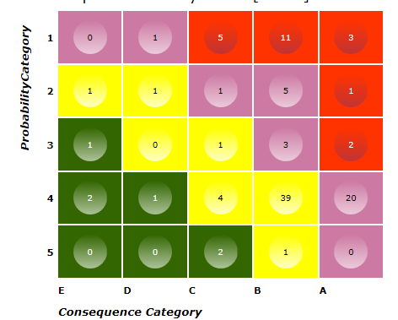
Master Data | Line as on status
Line No | Overall Risk
Description | COF
P&ID No | POF
Plant | Overall Status
Area | Next Followup Date
Year In Service | Next Insp Date
Train
 |  | DMs and its POFs from POF master
Design Data
Fluid | Material Std |  | Insulated
Design Temp | Material Grade |  | Insulation Type
Design Pressure | Material Code |  | Nom Dia
Operating Temp | PWHT |  | Nom Thk
Operating Pressure | Corrosion allowance |  | Length
Pipe Spec | Calculated Corr allowance |  | MDMT Temp
Joint Efficiency | Use CCA
Construction Code | Effective Corr Allow
RBI Data
Corrosion Loop No |  | External Corrosion Driver
Cluster Number |  | Painting Quality

Internal corrosion Data | External corrosion Data |  | Other DMs | Code | Suceptability
Injection Points (Y/N) | Theoritical ECR/CUICR |  | DM1
Theoritical ICR | Measured ECR/CUICR |  | DM2
Measured ICR | Use MECR( Y/N) |  | DM3
Use MICR( Y/N) | Effective ECR |  | DM4
Effective ICR | Soil Interface or Condensation (Y/N) |  | DM5
 | Pipe direct on beam/ complex design
 | Repainted Year

